Rig up dia
Description | Length

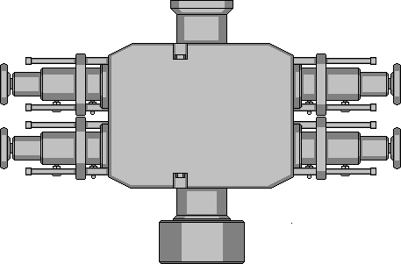

Total Length Inches | 0.00
Total Length feet* | 0

Trees and valves
 | Lo Torque 2
Lo Torque 1

0.0
Lo Torque 4

 | Lo Torque 3

